PCB Production Notes
 | Main | SubStick | Trigger
Layers | 4 | 2 | 2
Surface Finish | ENIG | ENIG | ENIG
Color | Red | White | White
Qty Per Set | 1 | 1 | 2
Thickness | 1.5mm | 1.5mm | 1.5mm

FPC CABLE | Requires a 0.5mm 6 pin FPC cable reverse orientation, 3cm length is OK. INCLUDE 2x per kit.
RUMBLE MOTOR | Cell rumble motor 1x per kit, 10mm diameter, 3.25mm thickness MAX, 6cm wire length OK.
LiPo Battery with JST PH2.0 | Match the dimensions
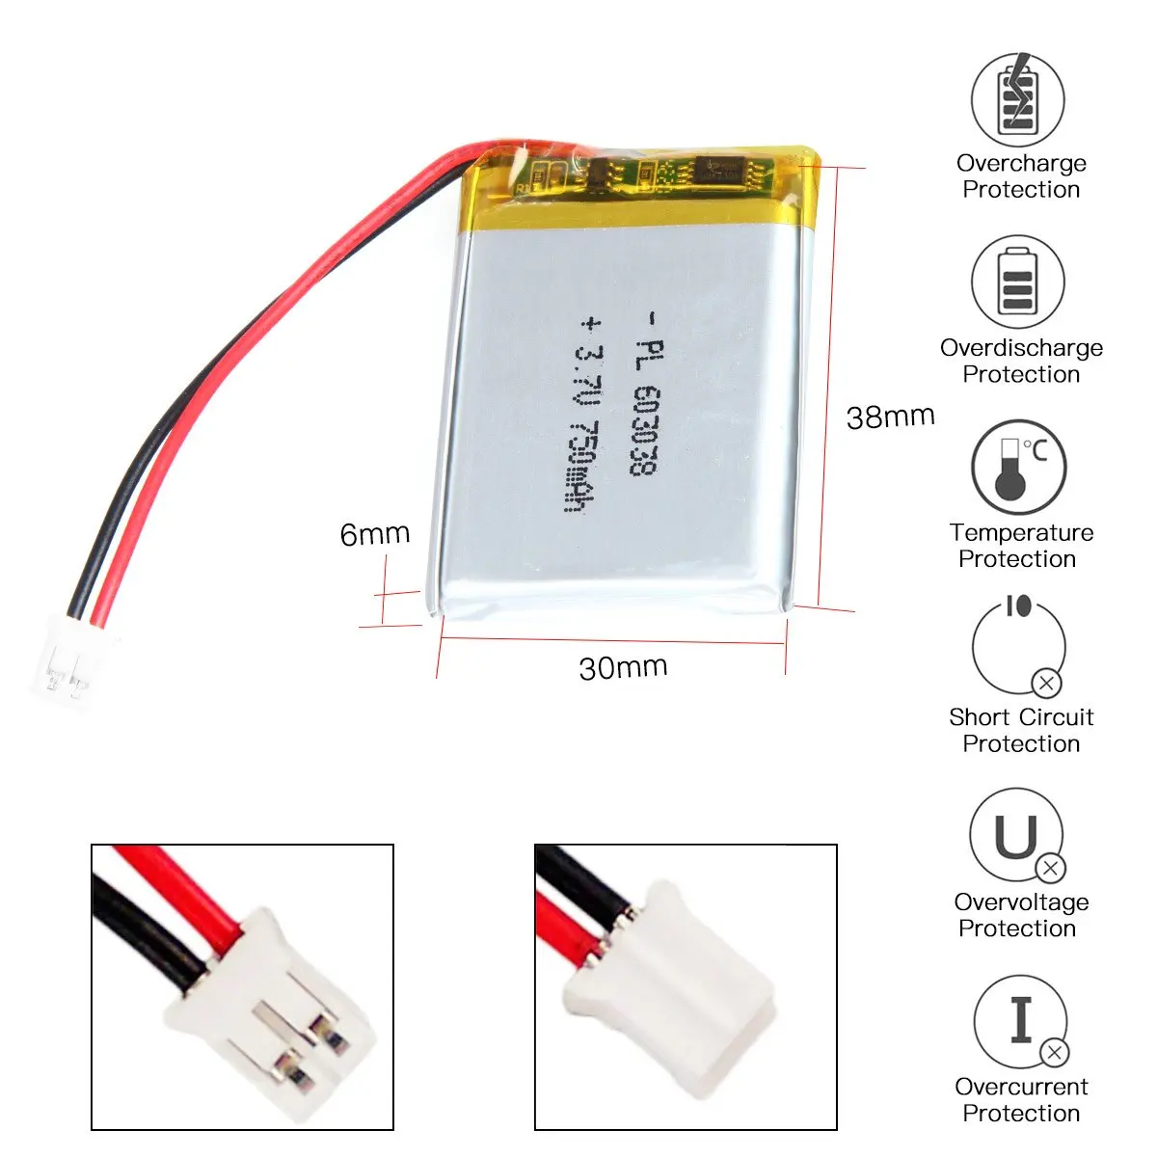
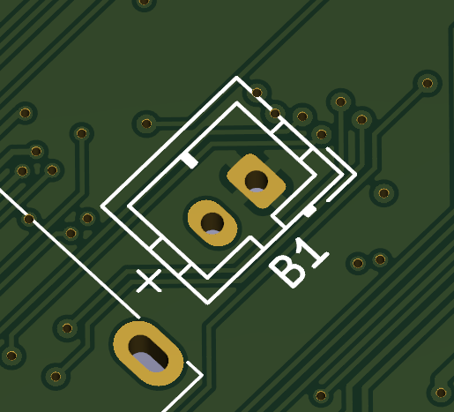
 | 10x38x30mm MAX

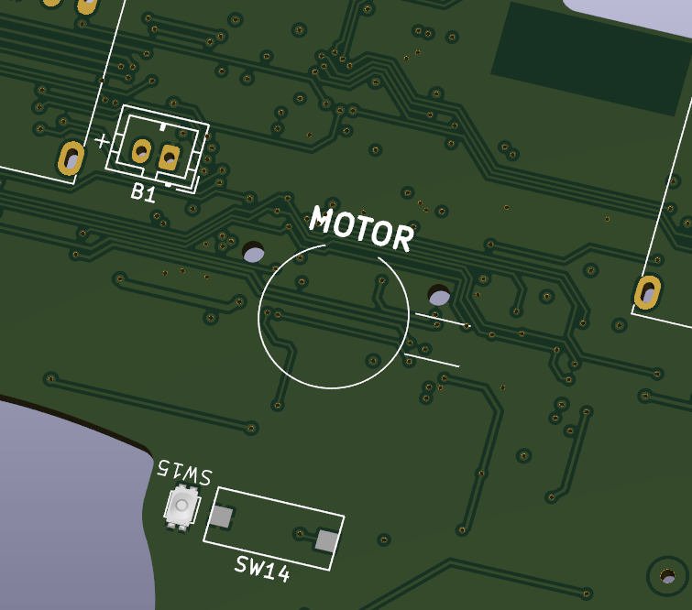
Motor adhesive can be applied to the circle

